SALOMON ATS
 |  |  |  |  | SIZES
PICTURE | ITEM CODE | DESCRIPTION | WHS IT | RETAIL IT | 4 | 4.5 | 5 | 5.5 | 6 | 6.5 | 7 | 7.5 | 8 | 8.5 | 9 | 9.5 | 10 | 10.5 | 11 | 11.5 | 12 | TOTAL UNITS | WHS VALUE
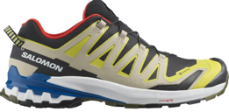 | L47119000 | XA PRO 3D V9 GTX Black/Buttercup/Lapis | 88.54 € | 170.00 € |  |  |  |  |  |  |  | 8 | 8 | 9 | 16 | 9 | 9 | 8 | 8 | 1 | 1 | 77 | 6,817.58 €
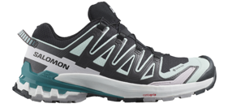 | L47119100 | XA PRO 3D V9 GTX W Black/Bleaaq/Hrb Bl | 88.54 € | 170.00 € | 1 | 8 | 8 | 9 | 16 | 9 | 9 | 8 |  |  |  |  |  |  |  |  |  | 68 | 6,020.72 €
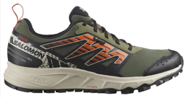 | L47148500 | WANDER GTX Dlicgr/Rainy Day/Scarlet Ibis | 57.29 € | 110.00 € |  |  |  |  |  |  |  | 8 | 8 | 9 | 16 | 9 | 9 | 8 | 8 |  |  | 75 | 4,296.75 €
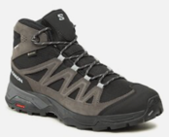 | L47181700 | X WARD LEATHER MID GTX Phantm/Black/Mgnt | 75.52 € | 145.00 € |  |  |  |  |  |  |  | 7 | 7 | 7 | 14 | 7 | 7 | 7 | 7 |  |  | 63 | 4,757.76 €
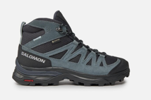 | L47182000 | X WARD LEATHER MID GTX W Indink/Black/St | 75.52 € | 145.00 € |  | 7 | 7 | 7 | 14 | 7 | 7 | 7 |  |  |  |  |  |  |  |  |  | 56 | 4,229.12 €
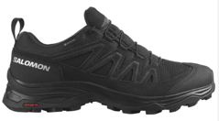 | L47182600 | X WARD LEATHER GTX W Black/Black/Black | 70.31 € | 135.00 € | 1 | 1 | 2 | 2 | 3 | 2 | 2 | 2 | 1 |  |  |  |  |  |  |  |  | 16 | 1,124.96 €
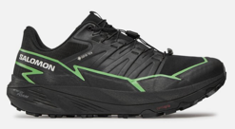 | L47279000 | THUNDERCROSS GTX Black/Green Gecko/Black | 83.33 € | 160.00 € |  |  |  |  |  |  |  | 8 | 8 | 8 | 16 | 9 | 9 | 8 | 8 |  |  | 74 | 6,166.42 €
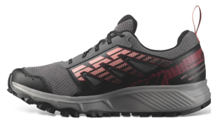 | L47291400 | WANDER GTX W Pkiten/Black/Peach Amber | 57.29 € | 110.00 € | 1 | 8 | 8 | 8 | 16 | 9 | 8 | 8 |  |  |  |  |  |  |  |  |  | 66 | 3,781.14 €
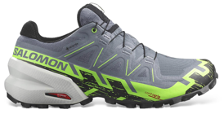 | L47301900 | SPEEDCROSS 6 GTX Flint/Grgeck/Black | 88.54 € | 170.00 € |  |  |  |  |  |  | 1 | 2 | 3 | 3 | 4 | 0 | 3 | 2 | 2 |  |  | 20 | 1,770.80 €
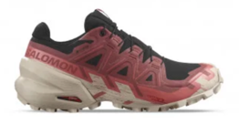 | L47302100 | SPEEDCROSS 6 GTX W Black/Cow Hide/Fadros | 88.54 € | 170.00 € |  | 1 | 1 | 2 | 2 | 1 | 1 | 1 |  |  |  |  |  |  |  |  |  | 9 | 796.86 €
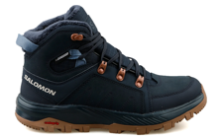 | L47377300 | OUTCHILL TS CSWP W Carbon/Carbon/Bering | 88.54 € | 170.00 € |  | 1 | 1 | 1 | 1 | 1 | 1 |  |  |  |  |  |  |  |  |  |  | 6 | 531.24 €
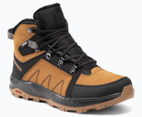 | L47381900 | OUTCHILL TS CSWP Rubber/Black/Magnet | 88.54 € | 170.00 € |  |  |  |  |  |  |  |  | 1 | 1 | 1 | 1 | 1 | 1 | 1 |  |  | 7 | 619.78 €
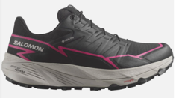 | L47383500 | THUNDERCROSS GTX W Black/Black/Pink Glo | 83.33 € | 160.00 € |  | 13 | 13 | 13 | 26 | 17 | 13 | 13 |  |  |  |  |  |  |  |  |  | 108 | 8,999.64 €
 |  |  |  |  |  |  |  |  |  |  |  |  |  |  |  |  |  |  |  |  |  | 645 | 49,912.77 €

